1conv1fc
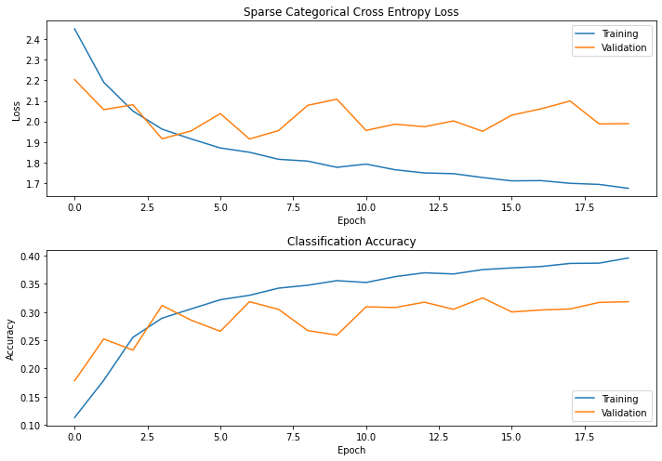
Test No. | Architecture | Summary |  |  | Performance
 |  |  |  |  | Test 1 |  | Test 2 |  | Test 3
1 | cnn = keras.Sequential() | Layer(type) | Output Shape | Param # | Loss: | 2.3026 | Loss: | 2.3018 | Loss: | 2.3026
 | cnn.add(layers.Conv2D(filters=32, kernel_size=(3,3), activation='relu',padding='same', input_shape=(32, 32, 3))) | conv2d | (None, 32, 32, 32) | 896 | Accuracy: | 0.0985 | Accuracy: | 0.0981 | Accuracy: | 0.0985
 | cnn.add(layers.MaxPooling2D((2,2))) | maxpool2d | (None, 16, 16, 32) | 0 | val_loss: | 2.3024 | val_loss: | 2.3124 | val_loss: | 2.3024
 | cnn.add(layers.Flatten()) | flatten | (None, 8192) | 0 | val_accuracy: | 0.1176 | val_accuracy: | 0.1019 | val_accuracy: | 0.1176
 | cnn.add(layers.Dense(128, activation='relu')) # classification fc layer | dense | (None, 128) | 1048704 | test_loss: |  | test_loss: |  | test_loss:
 | cnn.add(layers.Dense(10, activation = 'softmax')) # 10 categories | dense | (None, 10) | 1290 | test_accuracy: |  | test_accuracy: |  | test_accuracy:
 | print(cnn.summary()) |  |  |  | epoch no: |  | epoch no: |  | epoch no:
 |  | total param |  | 923914
 | cnn.compile(optimizer='sgd', loss='sparse_categorical_crossentropy', metrics=['accuracy']) | Trainable params |  | 923914 | Averaged Performance Metrics
 | cnn.fit(x_train, y_train, epochs=20, batch_size = 32, validation_data=(x_valid, y_valid)) | Non-trainable params |  | 0 | Loss: |  |  | 2.3023
 |  |  |  |  | Accuracy: |  |  | 0.0984 |  |  | test_loss: | #DIV/0!
 |  |  |  |  | val_loss: |  |  | 2.3057 |  |  | test_accuracy: | #DIV/0!
 |  |  |  |  | val_accuracy: |  |  | 0.1124 |  |  | epoch no: | #DIV/0!
2 | cnn = keras.Sequential() | Layer(type) | Output Shape | Param # | Loss: | 2.3021 | Loss: | 2.2287 | Loss: | 2.3027
 | cnn.add(layers.Conv2D(filters=32, kernel_size=(3,3), activation='relu', input_shape=(32, 32, 3))) | conv2d | (None, 30, 30, 32) | 896 | Accuracy: | 0.0983 | Accuracy: | 0.1623 | Accuracy: | 0.0976
 | cnn.add(layers.MaxPooling2D((2,2))) | maxpool2d | (None, 15, 15, 32) | 0 | val_loss: | 2.3056 | val_loss: | 2.2157 | val_loss: | 2.3026
 | cnn.add(layers.Flatten()) | flatten | (None, 7200) | 0 | val_accuracy: | 0.1176 | val_accuracy: | 0.17 | val_accuracy: | 0.0948
 | cnn.add(layers.Dense(128, activation='relu')) # classification fc layer | dense | (None, 128) | 921728 | test_loss: | 2.302 | test_loss: | 2.3028 | test_loss: | 2.3027
 | cnn.add(layers.Dense(10, activation = 'softmax')) # 10 categories | dense | (None, 10) | 1290 | test_accuracy: | 0.089 | test_accuracy: | 0.0893 | test_accuracy: | 0.0927
 | print(cnn.summary()) |  |  |  | epoch no: | 15 | epoch no: | 12 | epoch no: | 11

 | cnn.compile(optimizer='sgd', loss='sparse_categorical_crossentropy', metrics=['accuracy']) |  |  |  | Averaged Performance Metrics
 | cnn.fit(x_train, y_train, epochs=20, batch_size = 32, validation_data=(x_valid, y_valid)) |  |  |  | Loss: |  |  | 2.2778
 |  |  |  |  | Accuracy: |  |  | 0.1194 |  |  | test_loss: | 2.3025
 |  |  |  |  | val_loss: |  |  | 2.2746 |  |  | test_accuracy: | 0.090333333333
 |  |  |  |  | val_accuracy: |  |  | 0.1275 |  |  | epoch no: | 12
3 | cnn = keras.Sequential() | Layer(type) | Output Shape | Param # | Loss: | 1.7318 | Loss: | 2.3006 | Loss: | 2.2287
 | cnn.add(layers.Conv2D(filters=32, kernel_size=(3,3), activation='relu', input_shape=(32, 32, 3))) | conv2d | (None, 30, 30, 32) | 896 | Accuracy: | 0.3768 | Accuracy: | 0.0990 | Accuracy: | 0.1623
 | cnn.add(layers.MaxPooling2D((2,2))) | maxpool2d | (None, 15, 15, 32) | 0 | val_loss: | 2.0749 | val_loss: | 2.3004 | val_loss: | 2.2157
 | cnn.add(layers.Flatten()) | flatten | (None, 7200) | 0 | val_accuracy: | 0.2776 | val_accuracy: | 0.1205 | val_accuracy: | 0.17
 | cnn.add(layers.Dense(128, activation='relu')) # classification fc layer | dense | (None, 128) | 921728
 | cnn.add(layers.Dense(10, activation = 'softmax')) # 10 categories | dense | (None, 10) | 1290
 | print(cnn.summary())
 |  | total param |  | 923,914 | Averaged Performance Metrics
 | sgd = tf.keras.optimizers.SGD(learning_rate=0.001, momentum=0.9) | Trainable params |  | 923,914 | Loss: |  |  | 2.0870
 | cnn.compile(optimizer=sgd, loss='sparse_categorical_crossentropy', metrics=['accuracy']) | Non-trainable params |  | 0 | Accuracy: |  |  | 0.2127
 | history = cnn.fit(x_train, y_train, epochs=20, batch_size = 32, validation_data=(x_valid, y_valid)) |  |  |  | val_loss: |  |  | 2.1970
 |  |  |  |  | val_accuracy: |  |  | 0.1894
4 | cnn = keras.Sequential() | Layer(type) | Output Shape | Param # | Loss: | 2.3016 | Loss: | 2.3026 | Loss: | 2.3025
 | cnn.add(layers.Conv2D(filters=32, kernel_size=(3,3), kernel_initializer='he_uniform', activation='relu', input_shape=(32, 32, 3))) | conv2d | (None, 30, 30, 32) | 896 | Accuracy: | 0.1018 | Accuracy: | 0.0958 | Accuracy: | 0.1008
 | cnn.add(layers.MaxPooling2D((2,2))) | maxpool2d | (None, 15, 15, 32) | 0 | val_loss: | 2.3023 | val_loss: | 2.3028 | val_loss: | 2.3026
 | cnn.add(layers.Flatten()) | flatten | (None, 7200) | 0 | val_accuracy: | 0.1195 | val_accuracy: | 0.0919 | val_accuracy: | 0.0943
 | cnn.add(layers.Dense(128, activation='relu')) # classification fc layer | dense | (None, 128) | 921728
 | cnn.add(layers.Dense(10, activation = 'softmax')) # 10 categories | dense | (None, 10) | 1290
 | print(cnn.summary())
 |  | total param |  | 923,914 | Averaged Performance Metrics
 | sgd = tf.keras.optimizers.SGD(learning_rate=0.001, momentum=0.9) | Trainable params |  | 923,914 | Loss: |  |  | 2.3022
 | cnn.compile(optimizer=sgd, loss='sparse_categorical_crossentropy', metrics=['accuracy']) | Non-trainable params |  | 0 | Accuracy: |  |  | 0.0995
 | history = cnn.fit(x_train, y_train, epochs=20, batch_size = 32, validation_data=(x_valid, y_valid)) |  |  |  | val_loss: |  |  | 2.3026
 |  |  |  |  | val_accuracy: |  |  | 0.1019
5 | cnn = keras.Sequential() | Layer(type) | Output Shape | Param # | Loss: | 2.3022 | Loss: | 1.8755 | Loss: | 2.3014
 | cnn.add(layers.Conv2D(filters=32, kernel_size=(3,3), kernel_initializer='he_uniform', padding='same', activation='relu', input_shape=(32, 32, 3))) | conv2d | (None, 32, 32, 32) | 896 | Accuracy: | 0.0998 | Accuracy: | 0.3157 | Accuracy: | 0.0991
 | cnn.add(layers.MaxPooling2D((2,2))) | maxpool2d | (None, 16, 16, 32) | 0 | val_loss: | 2.3035 | val_loss: | 1.9071 | val_loss: | 2.3033
 | cnn.add(layers.Flatten()) | flatten | (None, 8192) | 0 | val_accuracy: | 0.0938 | val_accuracy: | 0.3014 | val_accuracy: | 0.1048
 | cnn.add(layers.Dense(128, activation='relu')) # classification fc layer | dense | (None, 128) | 1048704
 | cnn.add(layers.Dense(10, activation = 'softmax')) # 10 categories | dense | (None, 10) | 1290
 | print(cnn.summary())
 |  | total param |  | 1,050,890 | Averaged Performance Metrics
 | sgd = tf.keras.optimizers.SGD(learning_rate=0.001, momentum=0.9) | Trainable params |  | 1,050,890 | Loss: |  |  | 2.1597
 | cnn.compile(optimizer=sgd, loss='sparse_categorical_crossentropy', metrics=['accuracy']) | Non-trainable params |  | 0 | Accuracy: |  |  | 0.1715
 | history = cnn.fit(x_train, y_train, epochs=20, batch_size = 32, validation_data=(x_valid, y_valid)) |  |  |  | val_loss: |  |  | 2.1713
 |  |  |  |  | val_accuracy: |  |  | 0.1667
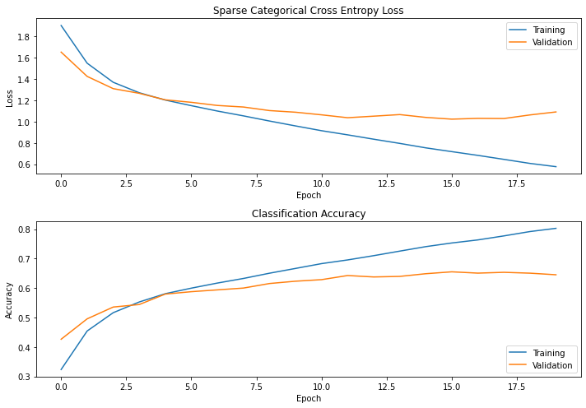
6 | # normalising images | Layer(type) | Output Shape | Param # | Loss: | 0.5529 | Loss: | 0.5281 | Loss: | 0.5720
 | x_train = x_train.astype('float32') / 255.0 | conv2d | (None, 30, 30, 32) | 896 | Accuracy: | 0.8130 | Accuracy: | 0.8231 | Accuracy: | 0.8040
 | x_valid = x_valid.astype('float32') / 255.0 | maxpool2d | (None, 15, 15, 32) | 0 | val_loss: | 1.0242 | val_loss: | 1.0308 | val_loss: | 1.0427
 | x_test = x_test.astype('float32') / 255.0 | flatten | (None, 7200) | 0 | val_accuracy: | 0.6603 | val_accuracy: | 0.6650 | val_accuracy: | 0.6514
 |  | dense | (None, 128) | 921728 | test_loss: | 1.1115 | test_loss: | 1.0344 | test_loss: | 1.2508
 | # CNN: 1conv -> 1 pooling | dense | (None, 10) | 1290 | test_accuracy: | 0.6367 | test_accuracy: | 0.6620 | test_accuracy: | 0.6390
 | # based on VGG model |  |  |  | epoch no: | 17 | epoch no: | 18 | epoch no: | 16
 |  | total param |  | 923,914
 | cnn = keras.Sequential() | Trainable params |  | 923,914
 | cnn.add(layers.Conv2D(filters=32, kernel_size=(3,3), activation='relu', input_shape=(32, 32, 3))) | Non-trainable params |  | 0
 | cnn.add(layers.MaxPooling2D((2,2)))
 | cnn.add(layers.Flatten())
 | cnn.add(layers.Dense(128, activation='relu')) # classification fc layer |  |  |  | Averaged Performance Metrics
 | cnn.add(layers.Dense(10, activation = 'softmax')) # 10 categories |  |  |  | Loss: |  |  | 0.5510
 | print(cnn.summary()) |  |  |  | Accuracy: |  |  | 0.8134
 |  |  |  |  | val_loss: |  |  | 1.0326
 | sgd = tf.keras.optimizers.SGD(learning_rate=0.001, momentum=0.9) |  |  |  | val_accuracy: |  |  | 0.6589
 | cnn.compile(optimizer=sgd, loss='sparse_categorical_crossentropy', metrics=['accuracy']) |  |  |  | test_loss: |  |  | 1.1322333333
 | history = cnn.fit(x_train, y_train, epochs=20, batch_size = 32, validation_data=(x_valid, y_valid)) |  |  |  | test_accuracy: |  |  | 0.6459
 |  |  |  |  | epoch no: |  |  | 17
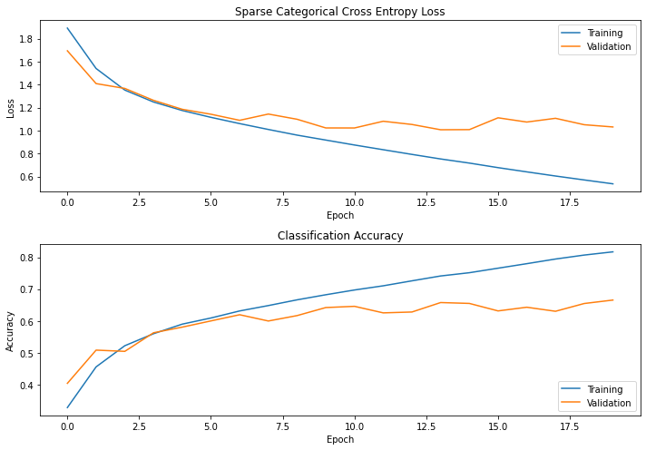
7 | # normalising images | Layer(type) | Output Shape | Param # | Loss: | 0.6525 | Loss: | 0.6525 | Loss: | 0.7531
 | # ......... | conv2d | (None, 30, 30, 32) | 896 | Accuracy: | 0.7762 | Accuracy: | 0.7762 | Accuracy: | 0.7413
 | # CNN: 1conv -> 1 pooling | maxpool2d | (None, 15, 15, 32) | 0 | val_loss: | 1.0246 | val_loss: | 1.0069 | val_loss: | 1.0072
 | # based on VGG model | flatten | (None, 7200) | 0 | val_accuracy: | 0.6544 | val_accuracy: | 0.6544 | val_accuracy: | 0.6577
 |  | dense | (None, 128) | 921728 | test_loss: | 1.0529 | test_loss: | 1.0461 | test_loss: | 1.0552
 | cnn1 = keras.Sequential() | dense | (None, 10) | 1290 | test_accuracy: | 0.639 | test_accuracy: | 0.6507 | test_accuracy: | 0.639
 | cnn1.add(layers.Conv2D(filters=32, kernel_size=(3,3), activation='relu', input_shape=(32, 32, 3))) |  |  |  | epoch no: | 18 | epoch no: | 17 | epoch no: | 14
 | cnn1.add(layers.MaxPooling2D((2,2))) | total param |  | 923,914
 | cnn1.add(layers.Flatten()) | Trainable params |  | 923,914
 | cnn1.add(layers.Dense(128, activation='relu')) # classification fc layer | Non-trainable params |  | 0 | Averaged Performance Metrics
 | cnn1.add(layers.Dense(10, activation = 'softmax')) # 10 categories |  |  |  | Loss: |  |  | 0.6860
 | print(cnn1.summary()) |  |  |  | Accuracy: |  |  | 0.7646
 |  |  |  |  | val_loss: |  |  | 1.0129
 | cnn1.compile(optimizer='sgd', loss='sparse_categorical_crossentropy', metrics=['accuracy']) |  |  |  | val_accuracy: |  |  | 0.6555
 | cnn1.fit(x_train, y_train, epochs=20, batch_size = 32, validation_data=(x_valid, y_valid)) |  |  |  | test_loss: |  |  | 1.0514
 |  |  |  |  | test_accuracy: |  |  | 0.6429
 |  |  |  |  | epoch no: |  |  | 16

1conv123fc
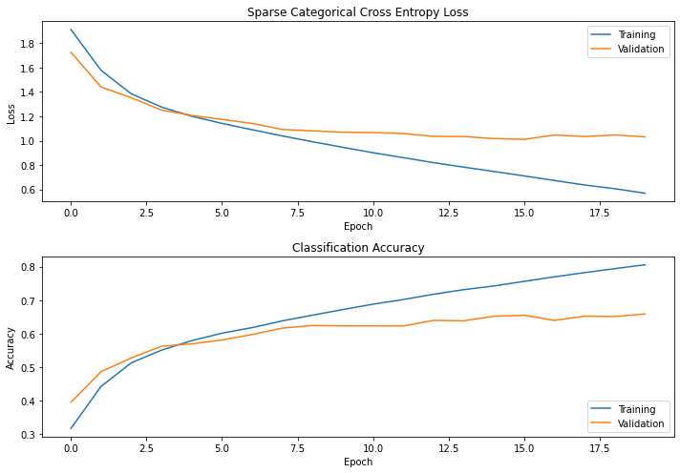
Test No. | Architecture | Summary |  |  | Performance
 |  |  |  |  | Test 1 |  | Test 2 |  | Test 3
1 | # normalising images | Layer(type) | Output Shape | Param # | Loss: | 0.5529 | Loss: | 0.5341 | Loss: | 0.5720
 | # ......... | conv2d | (None, 30, 30, 32) | 896 | Accuracy: | 0.8130 | Accuracy: | 0.8187 | Accuracy: | 0.8040
 | # CNN: 1conv -> 1 pooling | maxpool2d | (None, 15, 15, 32) | 0 | val_loss: | 1.0242 | val_loss: | 0.9967 | val_loss: | 1.0427
 | # based on VGG model | flatten | (None, 7200) | 0 | val_accuracy: | 0.6603 | val_accuracy: | 0.6721 | val_accuracy: | 0.6514
 |  | dense | (None, 128) | 921728 | test_loss: | 1.1115 | test_loss: | 1.0344 | test_loss: | 1.2508
 | cnn1 = keras.Sequential() | dense | (None, 10) | 1290 | test_accuracy: | 0.6367 | test_accuracy: | 0.6620 | test_accuracy: | 0.6390
 | cnn1.add(layers.Conv2D(filters=32, kernel_size=(3,3), activation='relu', input_shape=(32, 32, 3))) |  |  |  | epoch no: | 17 | epoch no: | 18 | epoch no: | 16
 | cnn1.add(layers.MaxPooling2D((2,2))) | total param |  | 923,914
 | cnn1.add(layers.Flatten()) | Trainable params |  | 923,914
 | cnn1.add(layers.Dense(128, activation='relu')) # classification fc layer | Non-trainable params |  | 0 | Averaged Performance Metrics
 | cnn1.add(layers.Dense(10, activation = 'softmax')) # 10 categories |  |  |  | Loss: |  |  | 0.5530
 | print(cnn1.summary()) |  |  |  | Accuracy: |  |  | 0.8119
 |  |  |  |  | val_loss: |  |  | 1.0212
 | sgd = tf.keras.optimizers.SGD(learning_rate=0.001, momentum=0.9) |  |  |  | val_accuracy: |  |  | 0.6613
 | cnn1.compile(optimizer=sgd, loss='sparse_categorical_crossentropy', metrics=['accuracy']) |  |  |  | test_loss: |  |  | 1.1322
 | history = cnn1.fit(x_train, y_train, epochs=20, batch_size = 32, validation_data=(x_valid, y_valid)) |  |  |  | test_accuracy: |  |  | 0.6459
 |  |  |  |  | epoch no: |  |  | 17
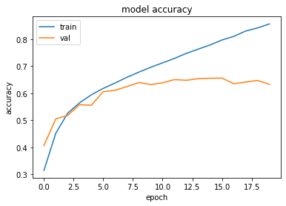
2 | # normalising images | Layer(type) | Output Shape | Param # | Loss: | 0.7814 | Loss: | 0.4174 | Loss: | 0.7814
 | # ......... | conv2d | (None, 30, 30, 32) | 896 | Accuracy: | 0.7256 | Accuracy: | 0.8577 | Accuracy: | 0.8548
 | # CNN: 1conv -> 1 pooling | maxpool2d | (None, 15, 15, 32) | 0 | val_loss: | 0.9907 | val_loss: | 1.1121 | val_loss: | 1.2242
 |  | flatten | (None, 7200) | 0 | val_accuracy: | 0.6587 | val_accuracy: | 0.6686 | val_accuracy: | 0.6439
 | cnn1 = keras.Sequential() | dense | (None, 128) | 921728 | test_loss: | 1.0019 | test_loss: | 1.1472 | test_loss: | 1.2508
 | cnn1.add(layers.Conv2D(filters=32, kernel_size=(3,3), activation='relu', input_shape=(32, 32, 3))) | dense | (None, 128) | 16512 | test_accuracy: | 0.655 | test_accuracy: | 0.6570 | test_accuracy: | 0.6390
 | cnn1.add(layers.MaxPooling2D((2,2))) | dense | (None, 10) | 1290 | epoch no: | 12 | epoch no: | 11 | epoch no: | 12
 | cnn1.add(layers.Flatten())
 | cnn1.add(layers.Dense(128, activation='relu')) # classification fc layer | total param |  | 940,426
 | cnn1.add(layers.Dense(128, activation='relu')) # classification fc layer | Trainable params |  | 940,426
 | cnn1.add(layers.Dense(10, activation = 'softmax')) # 10 categories | Non-trainable params |  | 0 | Averaged Performance Metrics
 | print(cnn1.summary()) |  |  |  | Loss: |  |  | 0.6601
 |  |  |  |  | Accuracy: |  |  | 0.8127
 | sgd = tf.keras.optimizers.SGD(learning_rate=0.001, momentum=0.9) |  |  |  | val_loss: |  |  | 1.1090
 | cnn1.compile(optimizer=sgd, loss='sparse_categorical_crossentropy', metrics=['accuracy']) |  |  |  | val_accuracy: |  |  | 0.6571
 | history = cnn1.fit(x_train, y_train, epochs=20, batch_size = 32, validation_data=(x_valid, y_valid)) |  |  |  | test_loss: |  |  | 1.1333
 |  |  |  |  | test_accuracy: |  |  | 0.6503
 |  |  |  |  | epoch no: |  |  | 11
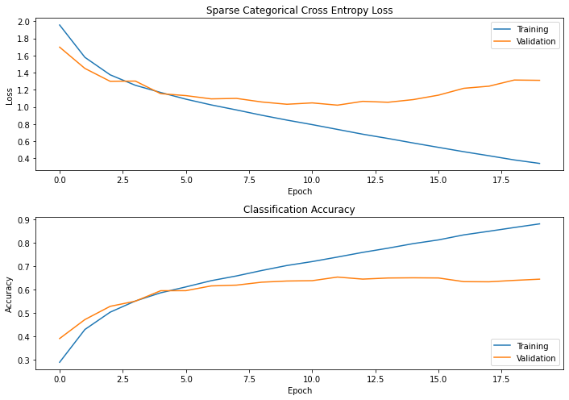
3 | # normalising images | Layer(type) | Output Shape | Param # | Loss: | 0.3181 | Loss: | 0.3371 | Loss: | 0.3042
 | # ......... | conv2d | (None, 30, 30, 32) | 896 | Accuracy: | 0.8906 | Accuracy: | 0.8824 | Accuracy: | 0.8944
 | # CNN: 1conv -> 1 pooling | maxpool2d | (None, 15, 15, 32) | 0 | val_loss: | 1.3819 | val_loss: | 1.3017 | val_loss: | 1.4245
 |  | flatten | (None, 7200) | 0 | val_accuracy: | 0.6427 | val_accuracy: | 0.6524 | val_accuracy: | 0.6403
 | cnn1 = keras.Sequential() | dense | (None, 128) | 921728 | test_loss: | 1.4399 | test_loss: | 1.2939 | test_loss: | 1.3992
 | cnn1.add(layers.Conv2D(filters=32, kernel_size=(3,3), activation='relu', input_shape=(32, 32, 3))) | dense | (None, 128) | 16512 | test_accuracy: | 0.6410 | test_accuracy: | 0.6380 | test_accuracy: | 0.6300
 | cnn1.add(layers.MaxPooling2D((2,2))) | dense | (None, 128) | 16512 | epoch no: | 12 | epoch no: | 12 | epoch no: | 12
 | cnn1.add(layers.Flatten()) | dense | (None, 10) | 1290
 | cnn1.add(layers.Dense(128, activation='relu')) # classification fc layer
 | cnn1.add(layers.Dense(128, activation='relu')) # classification fc layer | total param |  | 956,938
 | cnn1.add(layers.Dense(128, activation='relu')) # classification fc layer | Trainable params |  | 956,938 | Averaged Performance Metrics
 | cnn1.add(layers.Dense(10, activation = 'softmax')) # 10 categories | Non-trainable params |  | 0 | Loss: |  |  | 0.3198
 | print(cnn1.summary()) |  |  |  | Accuracy: |  |  | 0.8891
 |  |  |  |  | val_loss: |  |  | 1.3694
 | sgd = tf.keras.optimizers.SGD(learning_rate=0.001, momentum=0.9) |  |  |  | val_accuracy: |  |  | 0.6451
 | cnn1.compile(optimizer=sgd, loss='sparse_categorical_crossentropy', metrics=['accuracy']) |  |  |  | test_loss: |  |  | 1.3777
 | history = cnn1.fit(x_train, y_train, epochs=20, batch_size = 32, validation_data=(x_valid, y_valid)) |  |  |  | test_accuracy: |  |  | 0.6363
 |  |  |  |  | epoch no: |  |  | 12
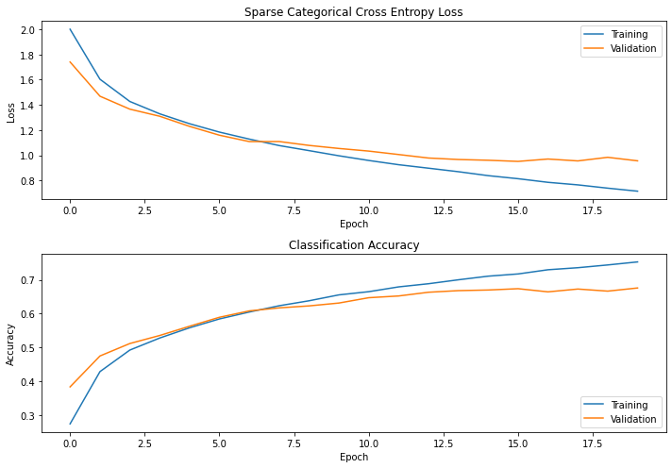
4 | # normalising images | Layer(type) | Output Shape | Param # | Loss: | 0.9014 | Loss: | 0.7618 | Loss: | 0.7312
 | # ......... | conv2d | (None, 30, 30, 32) | 896 | Accuracy: | 0.6844 | Accuracy: | 0.7334 | Accuracy: | 0.7422
 | # CNN: 1conv -> 1 pooling | maxpool2d | (None, 15, 15, 32) | 0 | val_loss: | 1.0436 | val_loss: | 1.0151 | val_loss: | 1.0495
 |  | flatten | (None, 7200) | 0 | val_accuracy: | 0.6381 | val_accuracy: | 0.6481 | val_accuracy: | 0.6464
 | cnn1 = keras.Sequential() | dense | (None, 128) | 921728 | test_loss: | 1.0641 | test_loss: | 1.0503 | test_loss: | 1.0781
 | cnn1.add(layers.Conv2D(filters=32, kernel_size=(3,3), activation='relu', input_shape=(32, 32, 3))) | dense | (None, 120) | 15480 | test_accuracy: | 0.6270 | test_accuracy: | 0.6453 | test_accuracy: | 0.6363
 | cnn1.add(layers.MaxPooling2D((2,2))) | dense | (None, 84) | 10164 | epoch no: | 9 | epoch no: | 11 | epoch no: | 12
 | cnn1.add(layers.Flatten()) | dense | (None, 10) | 850
 | cnn1.add(layers.Dense(128, activation='relu')) # classification fc layer
 | cnn1.add(layers.Dense(120, activation='relu')) # classification fc layer | total param |  | 949,118
 | cnn1.add(layers.Dense(84, activation='relu')) # classification fc layer | Trainable params |  | 949,118 | Averaged Performance Metrics
 | cnn1.add(layers.Dense(10, activation = 'softmax')) # 10 categories | Non-trainable params |  | 0 | Loss: |  |  | 0.7981
 | print(cnn1.summary()) |  |  |  | Accuracy: |  |  | 0.7200
 |  |  |  |  | val_loss: |  |  | 1.0361
 | sgd = tf.keras.optimizers.SGD(learning_rate=0.001, momentum=0.9) |  |  |  | val_accuracy: |  |  | 0.6442
 | cnn1.compile(optimizer=sgd, loss='sparse_categorical_crossentropy', metrics=['accuracy']) |  |  |  | test_loss: |  |  | 1.0642
 | history = cnn1.fit(x_train, y_train, epochs=20, batch_size = 32, validation_data=(x_valid, y_valid)) |  |  |  | test_accuracy: |  |  | 0.6362
 |  |  |  |  | epoch no: |  |  | 10
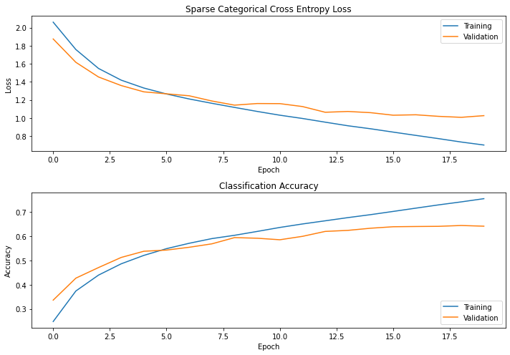
5 | # normalising images | Layer(type) | Output Shape | Param # | Loss: | 0.7764 | Loss: | 0.7347 | Loss: | 0.6740
 | # ......... | conv2d | (None, 30, 30, 32) | 896 | Accuracy: | 0.7282 | Accuracy: | 0.7419 | Accuracy: | 0.7655
 | # CNN: 1conv -> 1 pooling | maxpool2d | (None, 15, 15, 32) | 0 | val_loss: | 1.0250 | val_loss: | 1.0081 | val_loss: | 0.9990
 |  | flatten | (None, 7200) | 0 | val_accuracy: | 0.6440 | val_accuracy: | 0.6444 | val_accuracy: | 0.6614
 | cnn1 = keras.Sequential() | dense | (None, 128) | 921728 | test_loss: | 1.0483 | test_loss: | 1.0476 | test_loss: | 1.0341
 | cnn1.add(layers.Conv2D(filters=32, kernel_size=(3,3), activation='relu', input_shape=(32, 32, 3))) | dense | (None, 120) | 15480 | test_accuracy: | 0.6377 | test_accuracy: | 0.6420 | test_accuracy: | 0.6507
 | cnn1.add(layers.MaxPooling2D((2,2))) | dense | (None, 84) | 10164 | epoch no: | 18 | epoch no: | 19 | epoch no: | 20
 | cnn1.add(layers.Flatten()) | dense | (None, 10) | 850
 | cnn1.add(layers.Dense(128, activation='relu')) # classification fc layer
 | cnn1.add(layers.Dense(120, activation='relu')) # classification fc layer | total param |  | 949,118
 | cnn1.add(layers.Dense(84, activation='relu')) # classification fc layer | Trainable params |  | 949,118 | Averaged Performance Metrics
 | cnn1.add(layers.Dense(10, activation = 'softmax')) # 10 categories | Non-trainable params |  | 0 | Loss: |  |  | 0.7284
 | print(cnn1.summary()) |  |  |  | Accuracy: |  |  | 0.7452
 |  |  |  |  | val_loss: |  |  | 1.0107
 | sgd = tf.keras.optimizers.SGD(learning_rate=0.001, momentum=0.9) |  |  |  | val_accuracy: |  |  | 0.6499
 | cnn1.compile(optimizer=sgd, loss='sparse_categorical_crossentropy', metrics=['accuracy']) |  |  |  | test_loss: |  |  | 1.0433
 | history = cnn1.fit(x_train, y_train, epochs=20, batch_size = 64, validation_data=(x_valid, y_valid)) |  |  |  | test_accuracy: |  |  | 0.6435
 |  |  |  |  | epoch no: |  |  | 19

2conv13fc
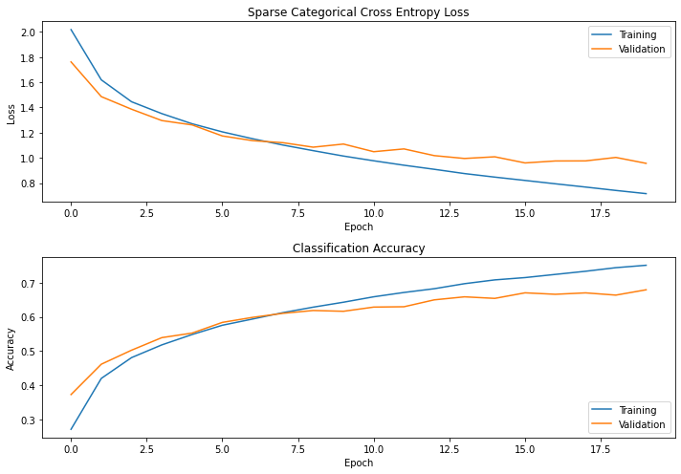
Test No. | Architecture | Summary |  |  | Performance
 |  |  |  |  | Test 1 |  | Test 2 |  | Test 3
1 | # normalising images | Layer(type) | Output Shape | Param # | Loss: | 0.7111 | Loss: | 0.7400 | Loss: | 0.7248
 | # ...... | conv2d | (None, 30, 30, 32) | 896 | Accuracy: | 0.7552 | Accuracy: | 0.7429 | Accuracy: | 0.7496
 |  | maxpool2d | (None, 15, 15, 32) | 0 | val_loss: | 0.9349 | val_loss: | 1.0074 | val_loss: | 0.9884
 | cnn2 = keras.Sequential() | conv2d | (None, 13, 13, 32) | 9248 | val_accuracy: | 0.6836 | val_accuracy: | 0.6669 | val_accuracy: | 0.6671
 | cnn2.add(layers.Conv2D(filters=32, kernel_size=(3,3), activation='relu', input_shape=(32, 32, 3))) | maxpool2d | (None, 6, 6, 32) | 0 | test_loss: | 0.9519 | test_loss: | 1.0217 | test_loss: | 0.9920
 | cnn2.add(layers.MaxPooling2D((2,2))) | flatten | (None, 1152) | 0 | test_accuracy: | 0.6810 | test_accuracy: | 0.6530 | test_accuracy: | 0.6710
 | cnn2.add(layers.Conv2D(filters=32, kernel_size=(3,3), activation='relu')) | dense | (None, 128) | 147584 | epoch no: | 19 | epoch no: | 20 | epoch no: | 18
 | cnn2.add(layers.MaxPooling2D((2,2))) | dense | (None, 10) | 1290
 | cnn2.add(layers.Flatten())
 | cnn2.add(layers.Dense(128, activation='relu')) # classification fc layer | total param |  | 159,018 | Averaged Performance Metrics
 | cnn2.add(layers.Dense(10, activation = 'softmax')) # 10 categories | Trainable params |  | 159,018 | Loss: |  |  | 0.7253
 | print(cnn2.summary()) | Non-trainable params |  | 0 | Accuracy: |  |  | 0.7492
 |  |  |  |  | val_loss: |  |  | 0.9769
 | sgd = tf.keras.optimizers.SGD(learning_rate=0.001, momentum=0.9) |  |  |  | val_accuracy: |  |  | 0.6725
 | cnn2.compile(optimizer=sgd, loss='sparse_categorical_crossentropy', metrics=['accuracy']) |  |  |  | test_loss: |  |  | 0.9885
 | history = cnn2.fit(x_train, y_train, epochs=20, batch_size = 32, validation_data=(x_valid, y_valid)) |  |  |  | test_accuracy: |  |  | 0.6459
 |  |  |  |  | epoch no: |  |  | 19
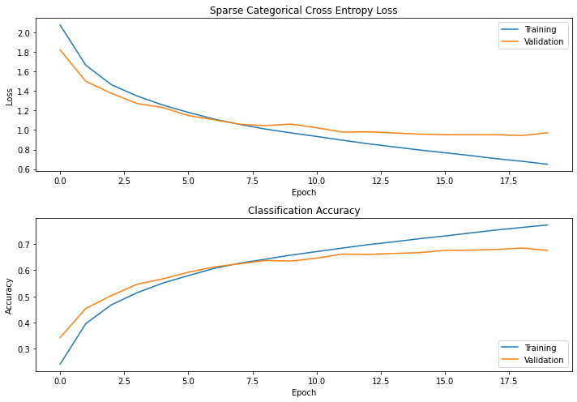
2 | folder = 'cnn2_models/' | Layer(type) | Output Shape | Param # | Loss: | 0.6811 | Loss: | 0.7286 | Loss: | 0.6805
 | layers_set = '2conv1fc' | conv2d | (None, 30, 30, 32) | 896 | Accuracy: | 0.7615 | Accuracy: | 0.7452 | Accuracy: | 0.7626
 |  | maxpool2d | (None, 15, 15, 32) | 0 | val_loss: | 0.9484 | val_loss: | 0.9336 | val_loss: | 0.9437
 | cnn2 = keras.Sequential() | conv2d | (None, 13, 13, 32) | 9248 | val_accuracy: | 0.6823 | val_accuracy: | 0.6787 | val_accuracy: | 0.6843
 | cnn2.add(layers.Conv2D(filters=32, kernel_size=(3,3), activation='relu', input_shape=(32, 32, 3))) | maxpool2d | (None, 6, 6, 32) | 0 | test_loss: | 0.9445 | test_loss: | 0.9351 | test_loss: | 0.9597
 | cnn2.add(layers.MaxPooling2D((2,2))) | flatten | (None, 1152) | 0 | test_accuracy: | 0.6787 | test_accuracy: | 0.6800 | test_accuracy: | 0.6837
 | cnn2.add(layers.Conv2D(filters=32, kernel_size=(3,3), activation='relu')) | dense | (None, 128) | 147584 | epoch no: | 18 | epoch no: | 17 | epoch no: | 19
 | cnn2.add(layers.MaxPooling2D((2,2))) | dense | (None, 120) | 15480
 | cnn2.add(layers.Flatten()) | dense | (None, 84) | 10164
 | cnn2.add(layers.Dense(128, activation='relu')) # classification fc layer | dense | (None, 10) | 1290
 | cnn2.add(layers.Dense(128, activation='relu')) # classification fc layer
 | cnn2.add(layers.Dense(128, activation='relu')) # classification fc layer | total param |  | 184,222
 | cnn2.add(layers.Dense(10, activation = 'softmax')) # 10 categories | Trainable params |  | 184,222
 | print(cnn2.summary()) | Non-trainable params |  | 0

 | sgd = tf.keras.optimizers.SGD(learning_rate=0.001, momentum=0.9)
 | cnn2.compile(optimizer=sgd, loss='sparse_categorical_crossentropy', metrics=['accuracy'])
 | filepath = folder + 'best_model_'+ layers_set +'.epoch{epoch:02d}-loss{val_loss:.4f}.hdf5' |  |  |  | Averaged Performance Metrics
 | checkpoint = ModelCheckpoint(filepath=filepath, |  |  |  | Loss: |  |  | 0.6967
 | monitor='val_loss', |  |  |  | Accuracy: |  |  | 0.7564
 | verbose=1, |  |  |  | val_loss: |  |  | 0.9419
 | save_best_only=True, |  |  |  | val_accuracy: |  |  | 0.6818
 | mode='min') |  |  |  | test_loss: |  |  | 0.9464
 |  |  |  |  | test_accuracy: |  |  | 0.6808
 | history = cnn2.fit(x_train, y_train, epochs=20, batch_size = 32, validation_data=(x_valid, y_valid), callbacks=[checkpoint]) |  |  |  | epoch no: |  |  | 18

3conv13fc
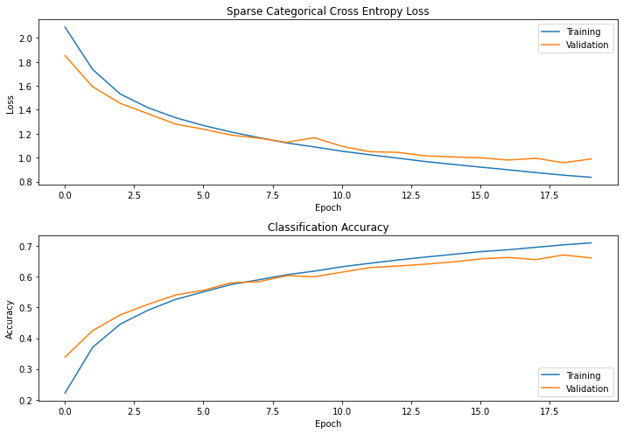
Test No. | Architecture | Summary |  |  | Performance
 |  |  |  |  | Test 1 |  | Test 2 |  | Test 3
1 | # normalising images | Layer(type) | Output Shape | Param # | Loss: | 0.9277 | Loss: | 0.8244 | Loss: | 0.8520
 | # ...... | conv2d | (None, 30, 30, 32) | 896 | Accuracy: | 0.6731 | Accuracy: | 0.7139 | Accuracy: | 0.7028
 |  | maxpool2d | (None, 15, 15, 32) | 0 | val_loss: | 1.0191 | val_loss: | 0.9612 | val_loss: | 0.9890
 | cnn3 = keras.Sequential() | conv2d | (None, 13, 13, 32) | 9248 | val_accuracy: | 0.6486 | val_accuracy: | 0.6669 | val_accuracy: | 0.6591
 | cnn3.add(layers.Conv2D(filters=32, kernel_size=(3,3), activation='relu', input_shape=(32, 32, 3))) | maxpool2d | (None, 6, 6, 32) | 0 | test_loss: | 1.0134 | test_loss: | 0.9767 | test_loss: | 1.0046
 | cnn3.add(layers.MaxPooling2D((2,2))) | conv2d | (None, 4, 4, 32) | 9248 | test_accuracy: | 0.6393 | test_accuracy: | 0.672 | test_accuracy: | 0.6680
 | cnn3.add(layers.Conv2D(filters=32, kernel_size=(3,3), activation='relu')) | maxpool2d | (None, 2, 2, 32) | 0 | epoch no: | 19 | epoch no: | 20 | epoch no: | 20
 | cnn3.add(layers.MaxPooling2D((2,2))) | flatten | (None, 128) | 0
 | cnn3.add(layers.Conv2D(filters=32, kernel_size=(3,3), activation='relu')) | dense | (None, 128) | 16512
 | cnn3.add(layers.MaxPooling2D((2,2))) | dense | (None, 10) | 1290
 | cnn3.add(layers.Flatten())
 | cnn3.add(layers.Dense(128, activation='relu')) # classification fc layer | total param |  | 37,194 | Averaged Performance Metrics
 | cnn3.add(layers.Dense(10, activation = 'softmax')) # 10 categories | Trainable params |  | 37,194 | Loss: |  |  | 0.8680
 | print(cnn3.summary()) | Non-trainable params |  | 0 | Accuracy: |  |  | 0.6966
 |  |  |  |  | val_loss: |  |  | 0.9898
 | sgd = tf.keras.optimizers.SGD(learning_rate=0.001, momentum=0.9) |  |  |  | val_accuracy: |  |  | 0.6582
 | cnn3.compile(optimizer=sgd, loss='sparse_categorical_crossentropy', metrics=['accuracy']) |  |  |  | test_loss: |  |  | 0.9982
 | history = cnn3.fit(x_train, y_train, epochs=20, batch_size = 32, validation_data=(x_valid, y_valid)) |  |  |  | test_accuracy: |  |  | 0.6598
 |  |  |  |  | epoch no: |  |  | 19.6667
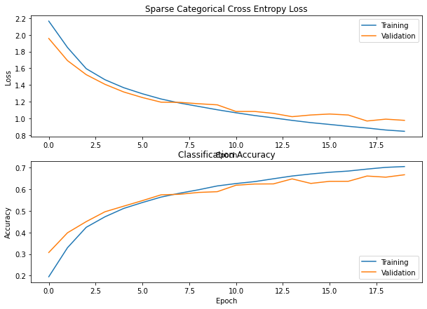
2 | # normalising images | Layer(type) | Output Shape | Param # | Loss: | 0.8091 | Loss: | 0.8164 | Loss: | 0.8074
 | # ...... | conv2d | (None, 30, 30, 32) | 896 | Accuracy: | 0.7195 | Accuracy: | 0.7139 | Accuracy: | 0.7185
 |  | maxpool2d | (None, 15, 15, 32) | 0 | val_loss: | 0.9500 | val_loss: | 0.9372 | val_loss: | 1.0042
 | cnn3 = keras.Sequential() | conv2d | (None, 13, 13, 32) | 9248 | val_accuracy: | 0.6797 | val_accuracy: | 0.6767 | val_accuracy: | 0.6544
 | cnn3.add(layers.Conv2D(filters=32, kernel_size=(3,3), activation='relu', input_shape=(32, 32, 3))) | maxpool2d | (None, 6, 6, 32) | 0 | test_loss: | 0.9796 | test_loss: | 0.9896 | test_loss: | 0.9938
 | cnn3.add(layers.MaxPooling2D((2,2))) | conv2d | (None, 4, 4, 32) | 18496 | test_accuracy: | 0.6653 | test_accuracy: | 0.6667 | test_accuracy: | 0.6630
 | cnn3.add(layers.Conv2D(filters=32, kernel_size=(3,3), activation='relu')) | maxpool2d | (None, 2, 2, 32) | 0 | epoch no: |  | epoch no: |  | epoch no:
 | cnn3.add(layers.MaxPooling2D((2,2))) | flatten | (None, 128) | 0
 | cnn3.add(layers.Conv2D(filters=64, kernel_size=(3,3), activation='relu')) | dense | (None, 128) | 32896
 | cnn3.add(layers.MaxPooling2D((2,2))) | dense | (None, 10) | 1290
 | cnn3.add(layers.Flatten())
 | cnn3.add(layers.Dense(128, activation='relu')) # classification fc layer | total param |  | 62,826 | Averaged Performance Metrics
 | cnn3.add(layers.Dense(10, activation = 'softmax')) # 10 categories | Trainable params |  | 62,826 | Loss: |  |  | 0.8110
 | print(cnn3.summary()) | Non-trainable params |  | 0 | Accuracy: |  |  | 0.7173
 |  |  |  |  | val_loss: |  |  | 0.9638
 | sgd = tf.keras.optimizers.SGD(learning_rate=0.001, momentum=0.9) |  |  |  | val_accuracy: |  |  | 0.6703
 | cnn3.compile(optimizer=sgd, loss='sparse_categorical_crossentropy', metrics=['accuracy']) |  |  |  | test_loss: |  |  | 0.9877
 | history = cnn3.fit(x_train, y_train, epochs=20, batch_size = 32, validation_data=(x_valid, y_valid)) |  |  |  | test_accuracy: |  |  | 0.6650
 |  |  |  |  | epoch no: |  |  | #DIV/0!
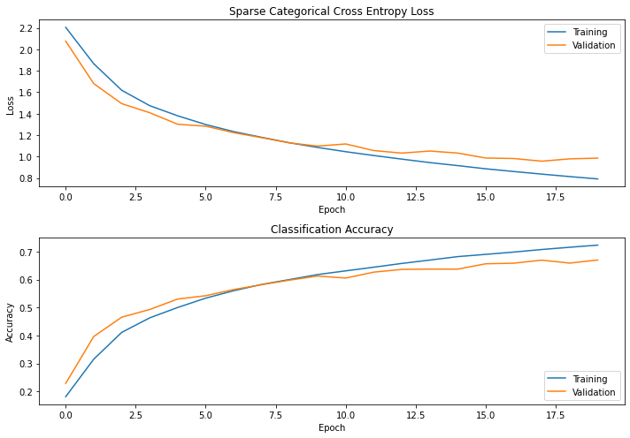
3 | # normalising images | Layer(type) | Output Shape | Param # | Loss: | 0.7914 | Loss: | 0.7360 | Loss: | 0.7545
 | # ...... | conv2d | (None, 30, 30, 32) | 896 | Accuracy: | 0.7228 | Accuracy: | 0.7427 | Accuracy: | 0.7362
 |  | maxpool2d | (None, 15, 15, 32) | 0 | val_loss: | 0.9854 | val_loss: | 0.9160 | val_loss: | 0.9299
 | cnn3 = keras.Sequential() | conv2d | (None, 13, 13, 32) | 9248 | val_accuracy: | 0.6697 | val_accuracy: | 0.6886 | val_accuracy: | 0.6819
 | cnn3.add(layers.Conv2D(filters=32, kernel_size=(3,3), activation='relu', input_shape=(32, 32, 3))) | maxpool2d | (None, 6, 6, 32) | 0 | test_loss: | 0.9887 | test_loss: | 0.9207 | test_loss: | 0.9234
 | cnn3.add(layers.MaxPooling2D((2,2))) | conv2d | (None, 4, 4, 32) | 18496 | test_accuracy: | 0.6593 | test_accuracy: | 0.687 | test_accuracy: | 0.6907
 | cnn3.add(layers.Conv2D(filters=32, kernel_size=(3,3), activation='relu')) | maxpool2d | (None, 2, 2, 32) | 0 | epoch no: | 18 | epoch no: | 20 | epoch no: | 20
 | cnn3.add(layers.MaxPooling2D((2,2))) | flatten | (None, 128) | 0
 | cnn3.add(layers.Conv2D(filters=64, kernel_size=(3,3), activation='relu')) | dense | (None, 128) | 32896
 | cnn3.add(layers.MaxPooling2D((2,2))) | dense | (None, 120) | 15480
 | cnn3.add(layers.Flatten()) | dense | (None, 184) | 10164
 | cnn3.add(layers.Dense(128, activation='relu')) # classification fc layer | dense | (None, 10) | 1290
 | cnn3.add(layers.Dense(120, activation='relu')) # classification fc layer
 | cnn3.add(layers.Dense(84, activation='relu')) # classification fc layer | total param |  | 88,030 | Averaged Performance Metrics
 | cnn3.add(layers.Dense(10, activation = 'softmax')) # 10 categories | Trainable params |  | 88,030 | Loss: |  |  | 0.7606
 | print(cnn3.summary()) | Non-trainable params |  | 0 | Accuracy: |  |  | 0.7339
 |  |  |  |  | val_loss: |  |  | 0.9438
 | sgd = tf.keras.optimizers.SGD(learning_rate=0.001, momentum=0.9) |  |  |  | val_accuracy: |  |  | 0.6801
 | cnn3.compile(optimizer=sgd, loss='sparse_categorical_crossentropy', metrics=['accuracy']) |  |  |  | test_loss: |  |  | 0.9443
 | history = cnn3.fit(x_train, y_train, epochs=20, batch_size = 32, validation_data=(x_valid, y_valid)) |  |  |  | test_accuracy: |  |  | 0.6790
 |  |  |  |  | epoch no: |  |  | 19

4conv13fc
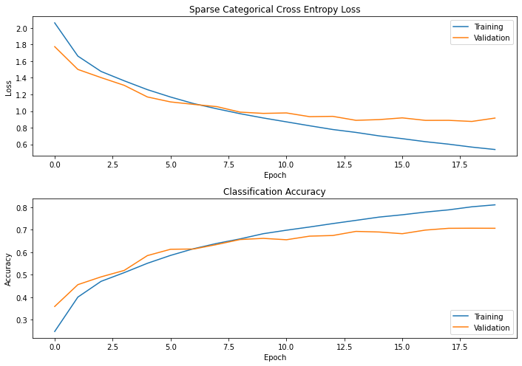
Test No. | Architecture | Summary |  |  | Performance
 |  |  |  |  | Test 1 |  | Test 2 |  | Test 3
1 | # normalising images | Layer(type) | Output Shape | Param # | Loss: | 0.6135 | Loss: | 0.6124 | Loss: | 0.6211
 | # ...... | conv2d | (None, 32, 32, 32) | 896 | Accuracy: | 0.7853 | Accuracy: | 0.7858 | Accuracy: | 0.7832
 |  | maxpool2d | (None, 16, 16, 32) | 0 | val_loss: | 0.9535 | val_loss: | 0.9312 | val_loss: | 0.8887
 | cnn4 = keras.Sequential() | conv2d | (None, 16, 16, 32) | 9248 | val_accuracy: | 0.6821 | val_accuracy: | 0.6956 | val_accuracy: | 0.7010
 | cnn4.add(layers.Conv2D(filters=32, kernel_size=(3,3), activation='relu', padding='same', input_shape=(32, 32, 3))) | maxpool2d | (None, 8, 8, 32) | 0 | test_loss: | 0.9610 | test_loss: | 0.9450 | test_loss: | 0.9450
 | cnn4.add(layers.MaxPooling2D((2,2))) | conv2d | (None, 8, 8, 64) | 18496 | test_accuracy: | 0.6710 | test_accuracy: | 0.6890 | test_accuracy: | 0.6890
 | cnn4.add(layers.Conv2D(filters=32, kernel_size=(3,3), activation='relu', padding='same')) | maxpool2d | (None, 4, 4, 64) | 0 | epoch no: | 19 | epoch no: | 20 | epoch no: | 19
 | cnn4.add(layers.MaxPooling2D((2,2))) | conv2d | (None, 4, 4, 64) | 36928
 | cnn4.add(layers.Conv2D(filters=64, kernel_size=(3,3), activation='relu', padding='same')) | maxpool2d | (None, 2, 2, 64) | 0
 | cnn4.add(layers.MaxPooling2D((2,2))) | flatten | (None, 256) | 0
 | cnn4.add(layers.Conv2D(filters=64, kernel_size=(3,3), activation='relu', padding='same')) | dense | (None, 128) | 32896
 | cnn4.add(layers.MaxPooling2D((2,2))) | dense | (None, 10) | 1290
 | cnn4.add(layers.Flatten())
 | cnn4.add(layers.Dense(128, activation='relu')) # classification fc layer | total param |  | 99,754 | Averaged Performance Metrics
 | cnn4.add(layers.Dense(10, activation = 'softmax')) # 10 categories | Trainable params |  | 99,754 | Loss: |  |  | 0.6157
 | print(cnn4.summary()) | Non-trainable params |  | 0 | Accuracy: |  |  | 0.7848
 |  |  |  |  | val_loss: |  |  | 0.9245
 | sgd = tf.keras.optimizers.SGD(learning_rate=0.001, momentum=0.9) |  |  |  | val_accuracy: |  |  | 0.6929
 | cnn4.compile(optimizer=sgd, loss='sparse_categorical_crossentropy', metrics=['accuracy']) |  |  |  | test_loss: |  |  | 0.9503
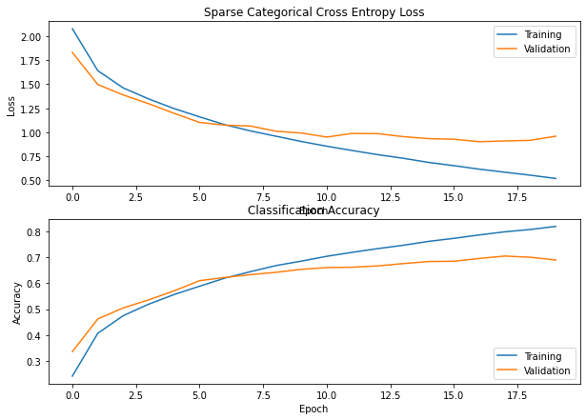
 | history = cnn4.fit(x_train, y_train, epochs=20, batch_size = 32, validation_data=(x_valid, y_valid)) |  |  |  | test_accuracy: |  |  | 0.6830
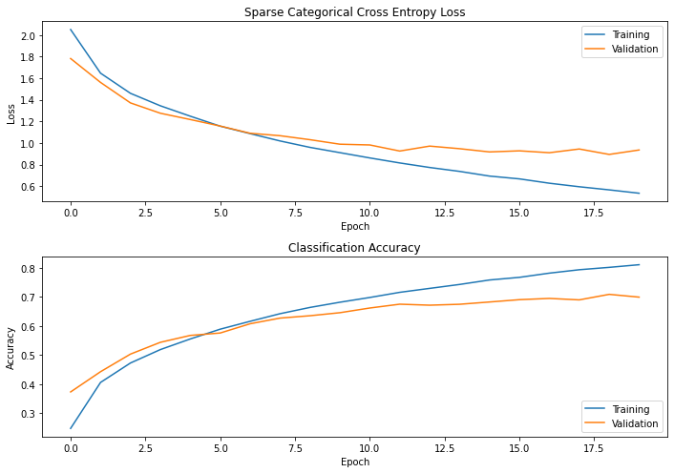
 |  |  |  |  | epoch no: |  |  | 19
2 | # normalising images | Layer(type) | Output Shape | Param # | Loss: | 0.6812 | Loss: | 0.6513 | Loss: | 0.5658
 | # ...... | conv2d | (None, 32, 32, 32) | 896 | Accuracy: | 0.7631 | Accuracy: | 0.7731 | Accuracy: | 0.8019
 |  | maxpool2d | (None, 16, 16, 32) | 0 | val_loss: | 0.8752 | val_loss: | 0.8897 | val_loss: | 0.8941
 | cnn4 = keras.Sequential() | conv2d | (None, 16, 16, 32) | 9248 | val_accuracy: | 0.6991 | val_accuracy: | 0.6987 | val_accuracy: | 0.7090
 | cnn4.add(layers.Conv2D(filters=32, kernel_size=(3,3), activation='relu', padding='same', input_shape=(32, 32, 3))) | maxpool2d | (None, 8, 8, 32) | 0 | test_loss: | 0.9066 | test_loss: | 0.9015 | test_loss: | 0.9256
 | cnn4.add(layers.MaxPooling2D((2,2))) | conv2d | (None, 8, 8, 64) | 18496 | test_accuracy: | 0.6957 | test_accuracy: | 0.7007 | test_accuracy: | 0.6930
 | cnn4.add(layers.Conv2D(filters=32, kernel_size=(3,3), activation='relu', padding='same')) | maxpool2d | (None, 4, 4, 64) | 0 | epoch no: | 15 | epoch no: | 17 | epoch no: | 19
 | cnn4.add(layers.MaxPooling2D((2,2))) | conv2d | (None, 4, 4, 64) | 73856
 | cnn4.add(layers.Conv2D(filters=64, kernel_size=(3,3), activation='relu', padding='same')) | maxpool2d | (None, 2, 2, 64) | 0
 | cnn4.add(layers.MaxPooling2D((2,2))) | flatten | (None, 256) | 0
 | cnn4.add(layers.Conv2D(filters=128, kernel_size=(3,3), activation='relu', padding='same')) | dense | (None, 128) | 65664
 | cnn4.add(layers.MaxPooling2D((2,2))) | dense | (None, 10) | 1290
 | cnn4.add(layers.Flatten())
 | cnn4.add(layers.Dense(128, activation='relu')) # classification fc layer | total param |  | 169,450 | Averaged Performance Metrics
 | cnn4.add(layers.Dense(10, activation = 'softmax')) # 10 categories | Trainable params |  | 169,450 | Loss: |  |  | 0.6328
 | print(cnn4.summary()) | Non-trainable params |  | 0 | Accuracy: |  |  | 0.7794
 |  |  |  |  | val_loss: |  |  | 0.8863
 | sgd = tf.keras.optimizers.SGD(learning_rate=0.001, momentum=0.9) |  |  |  | val_accuracy: |  |  | 0.7023
 | cnn4.compile(optimizer=sgd, loss='sparse_categorical_crossentropy', metrics=['accuracy']) |  |  |  | test_loss: |  |  | 0.9112
 | history = cnn4.fit(x_train, y_train, epochs=20, batch_size = 32, validation_data=(x_valid, y_valid)) |  |  |  | test_accuracy: |  |  | 0.6965
 |  |  |  |  | epoch no: |  |  | 17
3 | # normalising images | Layer(type) | Output Shape | Param # | Loss: | 0.7664 | Loss: | 0.7033 | Loss: | 0.6177
 | # ...... | conv2d | (None, 32, 32, 32) | 896 | Accuracy: | 0.7279 | Accuracy: | 0.7532 | Accuracy: | 0.7836
 |  | maxpool2d | (None, 16, 16, 32) | 0 | val_loss: | 0.9005 | val_loss: | 0.8623 | val_loss: | 0.8733
 | folder = 'cnn4_models/' | conv2d | (None, 16, 16, 32) | 9248 | val_accuracy: | 0.6797 | val_accuracy: | 0.7049 | val_accuracy: | 0.7057
 | layers_set = '4conv128_3fc' | maxpool2d | (None, 8, 8, 32) | 0 | test_loss: | 0.9199 | test_loss: | 0.8889 | test_loss: | 0.8824
 |  | conv2d | (None, 8, 8, 64) | 18496 | test_accuracy: | 0.6713 | test_accuracy: | 0.6913 | test_accuracy: | 0.6987
 |  | maxpool2d | (None, 4, 4, 64) | 0 | epoch no: | 13 | epoch no: | 14 | epoch no: | 16
 | cnn4 = keras.Sequential() | conv2d | (None, 4, 4, 64) | 73856
 | cnn4.add(layers.Conv2D(filters=32, kernel_size=(3,3), activation='relu', padding='same', input_shape=(32, 32, 3))) | maxpool2d | (None, 2, 2, 64) | 0
 | cnn4.add(layers.MaxPooling2D((2,2))) | flatten | (None, 512) | 0
 | cnn4.add(layers.Conv2D(filters=32, kernel_size=(3,3), activation='relu', padding='same')) | dense | (None, 128) | 65664
 | cnn4.add(layers.MaxPooling2D((2,2))) | dense | (None, 120) | 15480
 | cnn4.add(layers.Conv2D(filters=64, kernel_size=(3,3), activation='relu', padding='same')) | dense | (None, 184) | 10164
 | cnn4.add(layers.MaxPooling2D((2,2))) | dense | (None, 10) | 1290
 | cnn4.add(layers.Conv2D(filters=128, kernel_size=(3,3), activation='relu', padding='same'))
 | cnn4.add(layers.MaxPooling2D((2,2))) | total param |  | 194,654
 | cnn4.add(layers.Flatten()) | Trainable params |  | 194,654
 | cnn4.add(layers.Dense(128, activation='relu')) # classification fc layer | Non-trainable params |  | 0
 | cnn4.add(layers.Dense(120, activation='relu')) # classification fc layer
 | cnn4.add(layers.Dense(84, activation='relu')) # classification fc layer
 | cnn4.add(layers.Dense(10, activation = 'softmax')) # 10 categories
 | print(cnn4.summary())

 | sgd = tf.keras.optimizers.SGD(learning_rate=0.001, momentum=0.9)
 | cnn4.compile(optimizer=sgd, loss='sparse_categorical_crossentropy', metrics=['accuracy'])
 | filepath = folder + 'best_model_'+ layers_set +'.epoch{epoch:02d}-loss{val_loss:.4f}.hdf5'
 | checkpoint = ModelCheckpoint(filepath=filepath, |  |  |  | Averaged Performance Metrics
 | monitor='val_loss', |  |  |  | Loss: |  |  | 0.6958
 | verbose=1, |  |  |  | Accuracy: |  |  | 0.7549
 | save_best_only=True, |  |  |  | val_loss: |  |  | 0.8787
 | mode='min') |  |  |  | val_accuracy: |  |  | 0.6968
 |  |  |  |  | test_loss: |  |  | 0.8971
 | history = cnn4.fit(x_train, y_train, epochs=20, batch_size = 32, validation_data=(x_valid, y_valid), callbacks=[checkpoint]) |  |  |  | test_accuracy: |  |  | 0.6871
 |  |  |  |  | epoch no: |  |  | 14

